OVERALL RESULT
System Name |  |  |  | Function Name |  |  | Title |  |  |  |  | 作成者 | 最終更新者 | 最終承認者 | 版数
SCREEN UNIT TEST |  |  |  | MEMBER REGISTER |  |  | [GRAPH] DAILY TEST STATUS |  |  |  |  | Binh | Binh |  | 0.0
 |  |  |  |  |  |  |  |  |  |  |  | 作成日 | 最終更新日 | 最終承認日
 |  |  |  |  |  |  |  |  |  |  |  | 2016-12-02 | 2016-12-06

SUMMARY

 | Total | OK | NG | REJECT | 未実施
2016-06-12 | 11 | 0 | 0 | 0 | 11
 | Test Date | Total | OK | NG | REJECT | 未実施
 | 2016-06-12 | 11 | 0 | 0 | 0 | 11

System Name |  |  |  | Function Name |  |  | Title |  |  |  |  | 作成者 | 最終更新者 | 最終承認者 | 版数
SCREEN UNIT TEST TEMPLATE |  |  |  | USER MANAGE |  |  | SCREEN TEST RESULT |  |  |  |  | Binh | Binh |  | 0.0
 |  |  |  |  |  |  |  |  |  |  |  | 作成日 | 最終更新日 | 最終承認日
 |  |  |  |  |  |  |  |  |  |  |  | 2016-12-02 | 2016-12-06

DETAIL SCREEN TEST RESULT : FIRST TIME
 | SCREENID | SCREEN NAME |  |  |  |  | Total | OK | NG | REJECT | 未実施
 | F_010 | ADMIN CONFIGURATION |  |  |  |  | 6 | 6 | 0 | 0 | 0
 | F_011 | REGISTER NEW MEMBER |  |  |  |  | 11 | 11 | 0 | 0 | 0

 |  |  |  |  |  | TOTAL | 17 | 17 | 0 | 0 | 0

TEST RESULT : FIRST TIME

MOCKUP DESIGN
システム名 |  | サブシステム名 | タイトル | 作成者 | 最終更新者 | 最終承認者 | 版数
SCREEN UNIT TEST TEMPLATE |  | USER MANAGE | [SCREEN] ADMIN CONFIGURATION | Binh | Binh |  | 0.0
 |  |  |  | 作成日 | 最終更新日 | 最終承認日
 |  |  |  | 2016-12-02 | 2016-12-06
 | Admin configuration

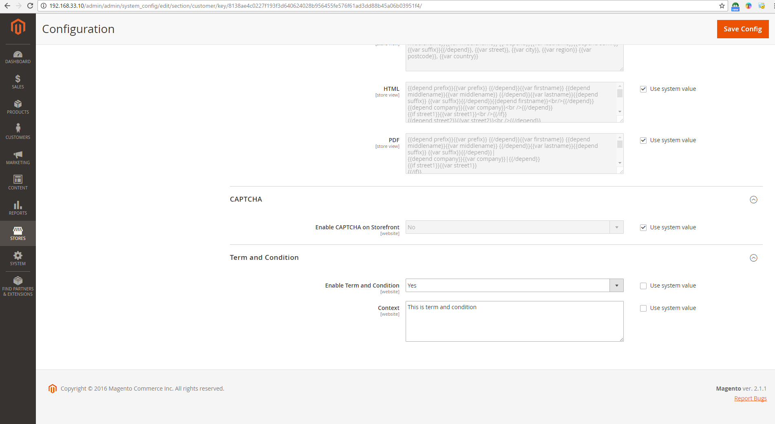

システム名 |  | サブシステム名 | タイトル | 作成者 | 最終更新者 | 最終承認者 | 版数
SCREEN UNIT TEST TEMPLATE |  | USER MANAGE | [SCREEN] REGISTER NEW MEMBER | Binh | Binh |  | 0.0
 |  |  |  | 作成日 | 最終更新日 | 最終承認日
 |  |  |  | 2016-12-02 | 2016-12-06

 | Register New Member

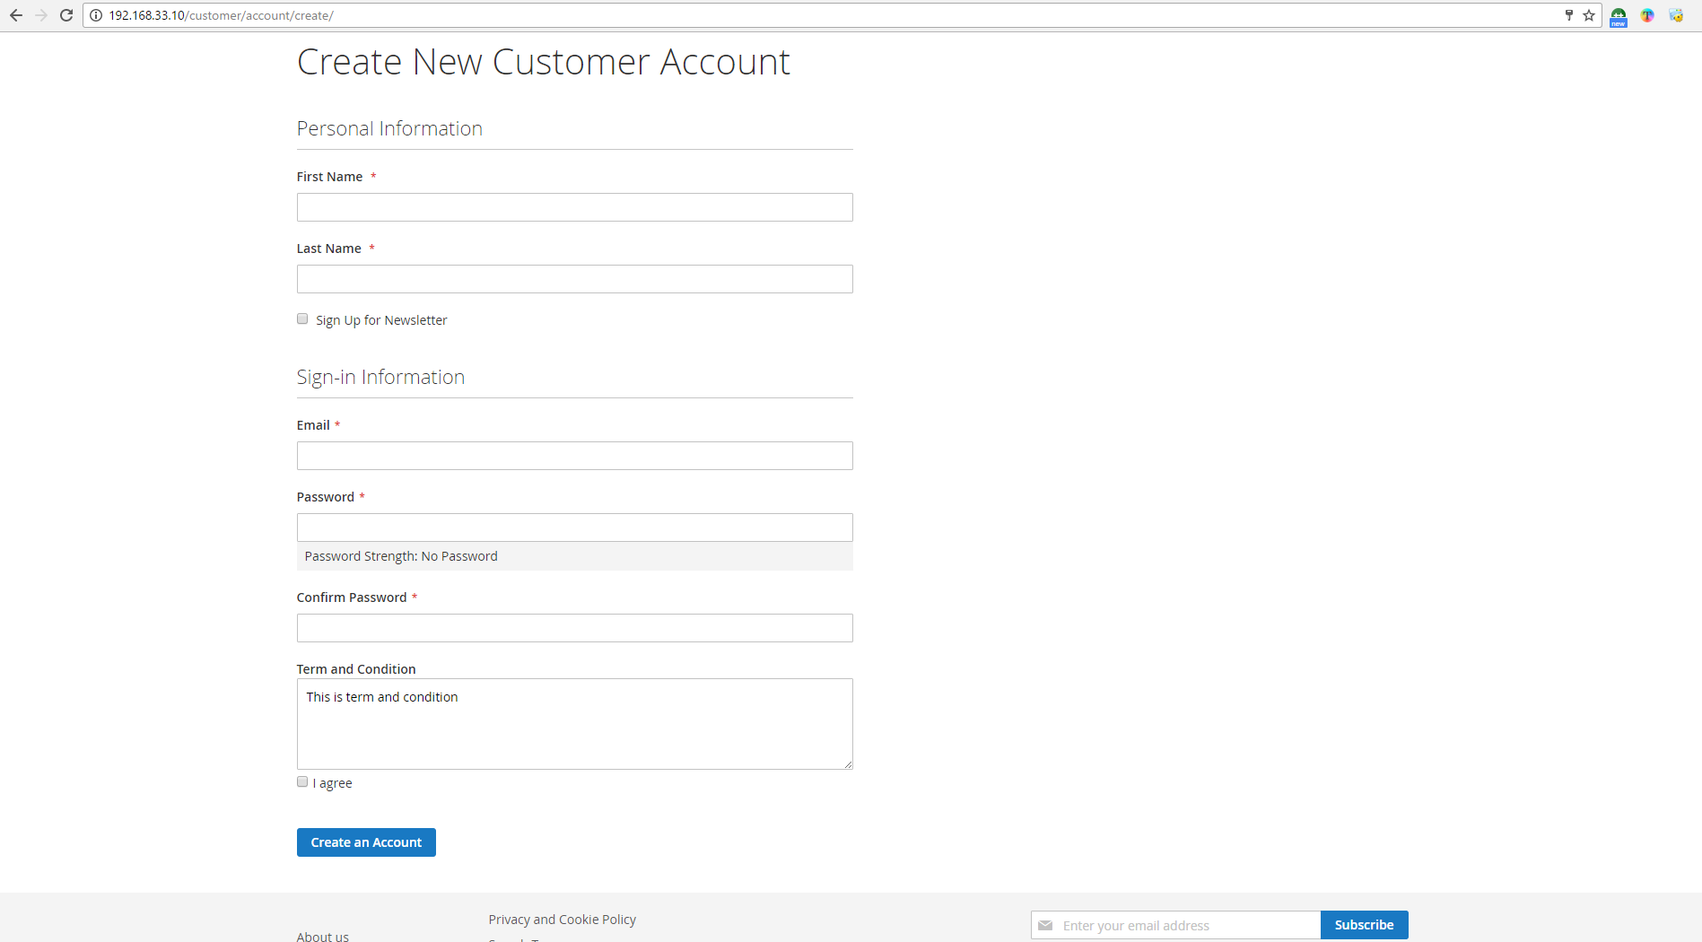

システム名 |  | サブシステム名 | タイトル | 作成者 | 最終更新者 | 最終承認者 | 版数
SCREEN UNIT TEST TEMPLATE |  | USER MANAGE | BUG REGISTER |  |  |  | 0.0
 |  |  |  | 作成日 | 最終更新日 | 最終承認日

TEST RESULT SUMMARY
■ TEST RESULT SUMMARY : TEST FIRST TIME

 |  |  |  |  | お客様ご承認（テスト項目一覧） ご承認者 | Approve Date |  |  |  | Creator | Binh
 |  |  |  |  |  |  |  |  |  | Create Date | 2016-12-02

 |  |  |  |  | お客様ご承認（テスト成績） ご承認者 | Approve Date |  |  |  | Updater | Binh
 |  |  |  |  |  |  |  |  |  | Update Date | 2016-12-05
※上記お客様承認欄はお客様からの承認をエビデンスが残る形で受領した後、
プロジェクトリーダーが記載すること。
 |  |  |  |  |  |  |  |  |  | Approver
 |  |  |  |  |  |  |  |  |  | Approve Date

 |  |  |  |  |  |  |  |  |  | Due date | 2016-12-05
 |  |  |  |  |  |  |  |  |  | Total Cases
 |  |  |  |  |  |  |  |  |  | Total Error Cases | 0

 | 大項目 Big Item |  |  |  | 説明 Description | 確認項目数 | Execute Day | 実施 ブラウザ | 実施者 | テスト結果 | 備考

 | 1 | FUNTIONC A | F_010 | ADMIN CONFIGURATION | Input screen overview | 0 | 2016-12-02 | Chrome
 | 2 | FUNTIONC B | F_011 | REGISTER NEW MEMBER | Input screen overview | 0 | 2016-12-02 | Chrome

■ TEST RESULT SUMMARY : TEST SECOND TIME

 |  |  |  |  | お客様ご承認（テスト項目一覧） ご承認者 | Approve Date |  |  |  | Creator
 |  |  |  |  |  |  |  |  |  | Create Date

 |  |  |  |  | お客様ご承認（テスト成績） ご承認者 | Approve Date |  |  |  | Updater
 |  |  |  |  |  |  |  |  |  | Update Date
※上記お客様承認欄はお客様からの承認をエビデンスが残る形で受領した後、
プロジェクトリーダーが記載すること。
 |  |  |  |  |  |  |  |  |  | Approver
 |  |  |  |  |  |  |  |  |  | Approve Date

 |  |  |  |  |  |  |  |  |  | Due date
 |  |  |  |  |  |  |  |  |  | Total Cases
 |  |  |  |  |  |  |  |  |  | Total Error Cases

 | 大項目 Big Item |  |  |  | 説明 Description | 確認項目数 | Execute Day | 実施 ブラウザ | 実施者 | テスト結果 | 備考

